Sheet1
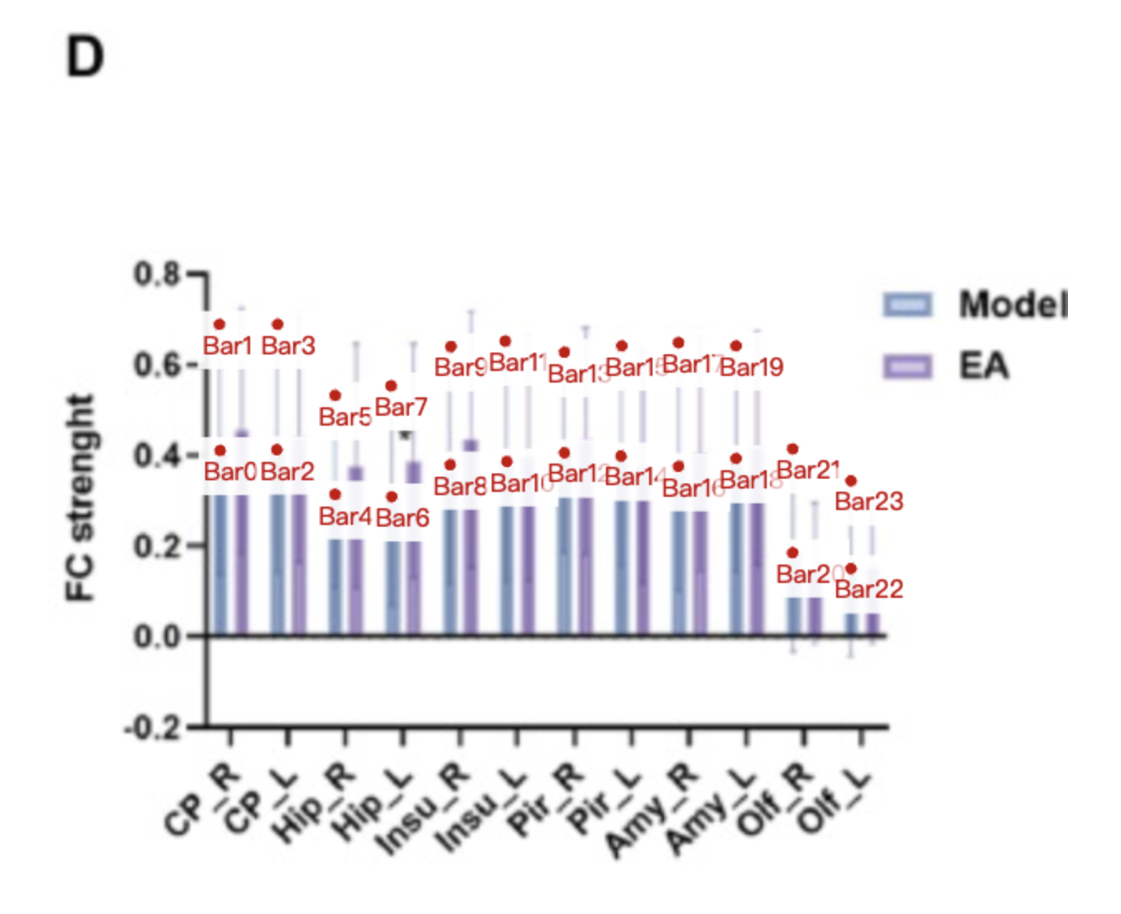
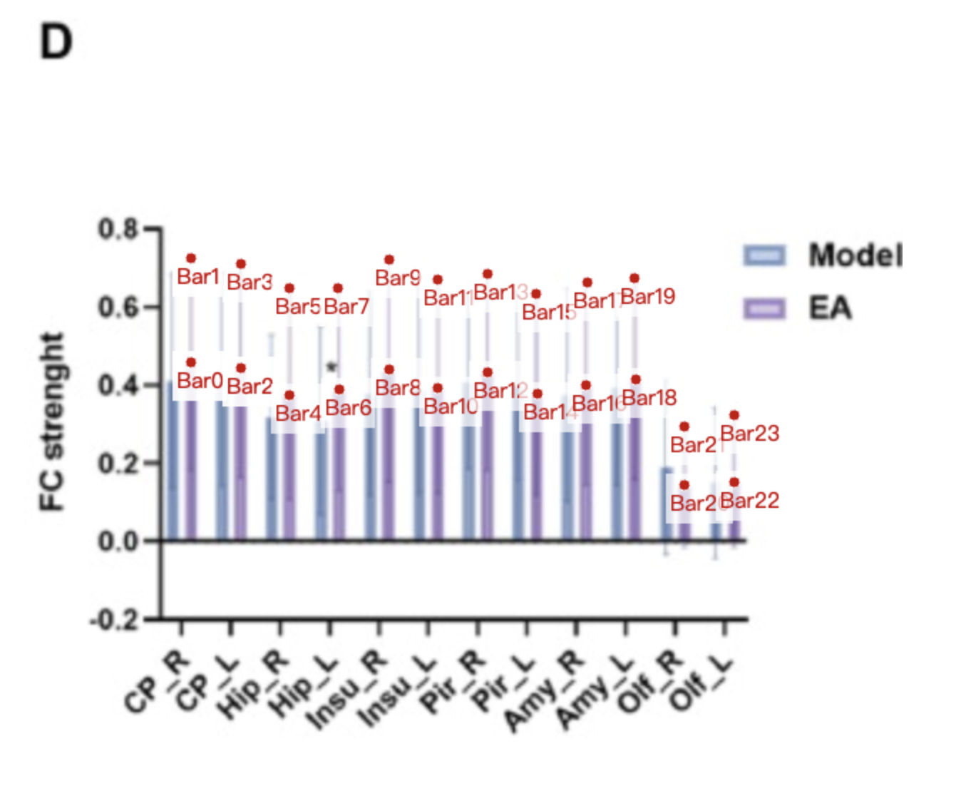
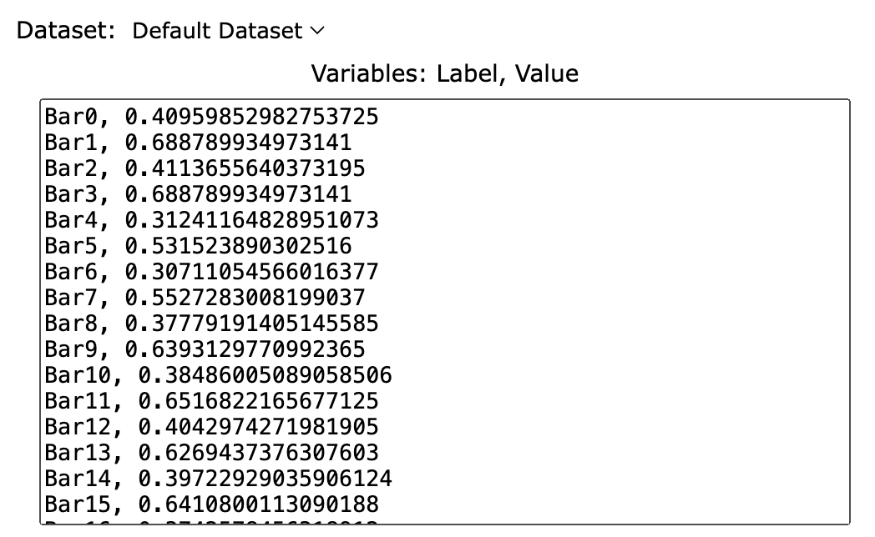
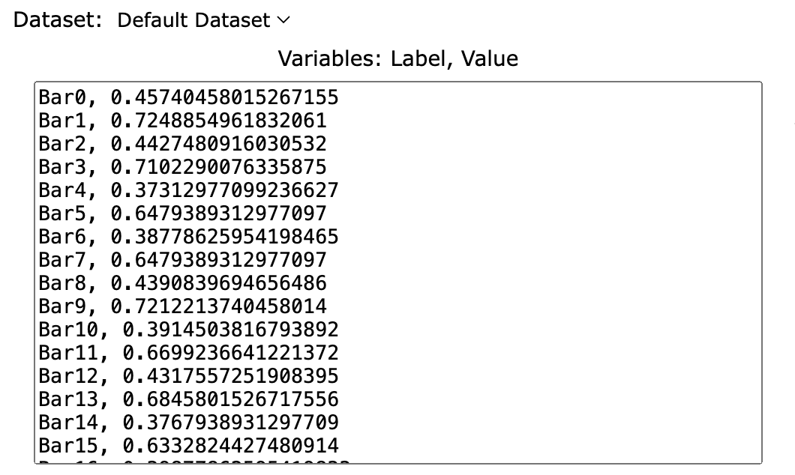
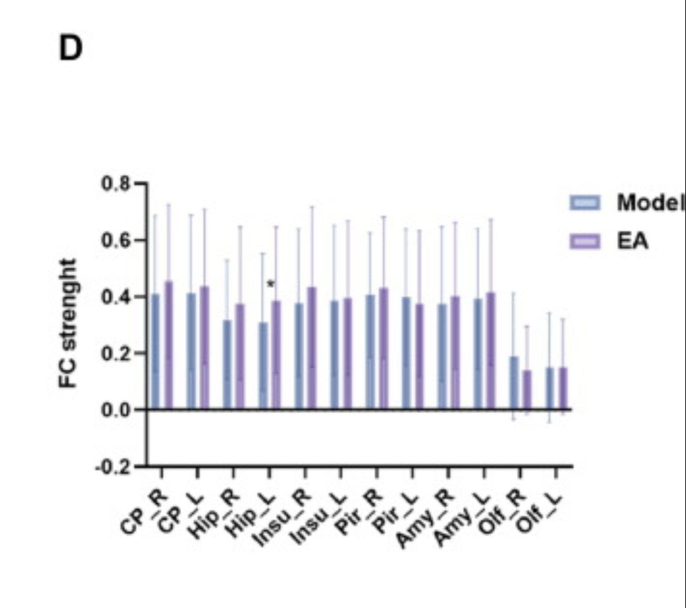
Treatment Groups | Model_FC_strength | EA_FC_strength
CP_R_mean | 0.40959852983 | 0.45740458015
CP_R_sd | 0.279191405 | 0.26748092
CP_L_mean | 0.41136556404 | 0.4427480916
CP_L_sd | 0.277424371 | 0.26748092
Hip_R_mean | 0.31241164829 | 0.37312977099
Hip_R_sd | 0.21911224 | 0.27480916
Hip_L_mean | 0.30711054566 | 0.38778625954
Hip_L_sd | 0.24561776 | 0.26015267
Insu_R_mean | 0.37779191405 | 0.43908396947
Insu_R_sd | 0.26152106 | 0.2821374
Insu_L_mean | 0.38486005089 | 0.39145038168
Insu_L_sd | 0.26682217 | 0.27847328
Pir_R_mean | 0.4042974272 | 0.43175572519
Pir_R_sd | 0.22264631 | 0.25282443
Pir_L_mean | 0.39722929036 | 0.37679389313
Pir_L_sd | 0.24385072 | 0.25648855
Amy_R_mean | 0.37425784563 | 0.39877862595
Amy_R_sd | 0.2738903 | 0.26381679
Amy_L_mean | 0.39192818773 | 0.4134351145
Amy_L_sd | 0.24915182 | 0.26015267
Olf_R_mean | 0.18341815098 | 0.14229007634
Olf_R_sd | 0.22971445 | 0.15022901
Olf_L_mean | 0.14807746678 | 0.14961832061
Olf_L_sd | 0.19437376 | 0.17221374

